PopulationReport
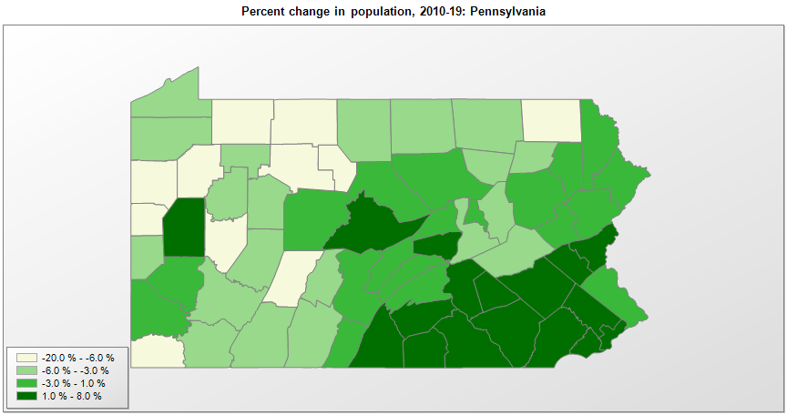

FIPS* | County name | RUC code | Pop. 1990 | Pop. 2000 | Pop. 2010 | Pop. 2019 | Change 2010-19
42000 | Pennsylvania |  | 11,882,842 | 12,280,548 | 12,702,868 | 12,801,989 | 0.8%
42001 | Adams County | 3 | 78,274 | 91,207 | 101,428 | 103,009 | 1.6%
42003 | Allegheny County | 1 | 1,336,449 | 1,281,795 | 1,223,303 | 1,216,045 | -0.6%
42005 | Armstrong County | 1 | 73,478 | 72,345 | 69,059 | 64,735 | -6.3%
42007 | Beaver County | 1 | 186,093 | 181,448 | 170,531 | 163,929 | -3.9%
42009 | Bedford County | 6 | 47,919 | 49,890 | 49,776 | 47,888 | -3.8%
42011 | Berks County | 2 | 336,523 | 373,712 | 411,570 | 421,164 | 2.3%
42013 | Blair County | 3 | 130,542 | 129,105 | 127,117 | 121,829 | -4.2%
42015 | Bradford County | 6 | 60,967 | 62,747 | 62,700 | 60,323 | -3.8%
42017 | Bucks County | 1 | 541,174 | 597,548 | 625,256 | 628,270 | 0.5%
42019 | Butler County | 1 | 152,013 | 174,105 | 183,880 | 187,853 | 2.2%
42021 | Cambria County | 3 | 163,062 | 152,555 | 143,695 | 130,192 | -9.4%
42023 | Cameron County | 7 | 5,913 | 5,971 | 5,085 | 4,447 | -12.5%
42025 | Carbon County | 2 | 56,803 | 58,765 | 65,244 | 64,182 | -1.6%
42027 | Centre County | 3 | 124,812 | 135,678 | 154,005 | 162,385 | 5.4%
42029 | Chester County | 1 | 376,389 | 433,208 | 499,133 | 524,989 | 5.2%
42031 | Clarion County | 6 | 41,699 | 41,739 | 39,988 | 38,438 | -3.9%
42033 | Clearfield County | 4 | 78,097 | 83,529 | 81,609 | 79,255 | -2.9%
42035 | Clinton County | 4 | 37,182 | 37,879 | 39,253 | 38,632 | -1.6%
42037 | Columbia County | 3 | 63,202 | 63,947 | 67,299 | 64,964 | -3.5%
42039 | Crawford County | 4 | 86,166 | 90,352 | 88,750 | 84,629 | -4.6%
42041 | Cumberland County | 2 | 195,257 | 213,605 | 235,387 | 253,370 | 7.6%
42043 | Dauphin County | 2 | 237,813 | 251,770 | 268,126 | 278,299 | 3.8%
42045 | Delaware County | 1 | 547,658 | 551,722 | 558,757 | 566,747 | 1.4%
42047 | Elk County | 7 | 34,878 | 35,114 | 31,946 | 29,910 | -6.4%
42049 | Erie County | 2 | 275,575 | 280,907 | 280,584 | 269,728 | -3.9%
42051 | Fayette County | 1 | 145,351 | 148,536 | 136,601 | 129,274 | -5.4%
42053 | Forest County | 9 | 4,802 | 4,948 | 7,709 | 7,247 | -6.0%
42055 | Franklin County | 3 | 121,082 | 129,495 | 149,631 | 155,027 | 3.6%
42057 | Fulton County | 8 | 13,837 | 14,259 | 14,844 | 14,530 | -2.1%
42059 | Greene County | 6 | 39,550 | 40,626 | 38,685 | 36,233 | -6.3%
42061 | Huntingdon County | 6 | 44,164 | 45,613 | 46,000 | 45,144 | -1.9%
42063 | Indiana County | 4 | 89,994 | 89,593 | 88,885 | 84,073 | -5.4%
42065 | Jefferson County | 7 | 46,083 | 45,915 | 45,189 | 43,425 | -3.9%
42067 | Juniata County | 6 | 20,625 | 22,814 | 24,637 | 24,763 | 0.5%
42069 | Lackawanna County | 2 | 219,097 | 213,292 | 214,415 | 209,674 | -2.2%
42071 | Lancaster County | 2 | 422,822 | 470,783 | 519,443 | 545,724 | 5.1%
42073 | Lawrence County | 4 | 96,246 | 94,567 | 91,157 | 85,512 | -6.2%
42075 | Lebanon County | 3 | 113,744 | 120,202 | 133,597 | 141,793 | 6.1%
42077 | Lehigh County | 2 | 291,130 | 311,746 | 349,675 | 369,318 | 5.6%
42079 | Luzerne County | 2 | 328,149 | 319,429 | 320,906 | 317,417 | -1.1%
42081 | Lycoming County | 3 | 118,710 | 120,003 | 116,102 | 113,299 | -2.4%
42083 | McKean County | 7 | 47,131 | 45,908 | 43,461 | 40,625 | -6.5%
42085 | Mercer County | 2 | 121,003 | 120,368 | 116,663 | 109,424 | -6.2%
42087 | Mifflin County | 4 | 46,197 | 46,471 | 46,679 | 46,138 | -1.2%
42089 | Monroe County | 3 | 95,681 | 138,615 | 169,841 | 170,271 | 0.3%
42091 | Montgomery County | 1 | 678,193 | 749,409 | 799,840 | 830,915 | 3.9%
42093 | Montour County | 3 | 17,735 | 18,234 | 18,256 | 18,230 | -0.1%
42095 | Northampton County | 2 | 247,110 | 267,446 | 297,712 | 305,285 | 2.5%
42097 | Northumberland County | 4 | 96,771 | 94,867 | 94,476 | 90,843 | -3.8%
42099 | Perry County | 2 | 41,172 | 43,636 | 45,931 | 46,272 | 0.7%
42101 | Philadelphia County | 1 | 1,585,577 | 1,517,562 | 1,526,012 | 1,584,064 | 3.8%
42103 | Pike County | 1 | 28,032 | 46,125 | 57,338 | 55,809 | -2.7%
42105 | Potter County | 9 | 16,717 | 18,082 | 17,447 | 16,526 | -5.3%
42107 | Schuylkill County | 4 | 152,585 | 150,263 | 148,290 | 141,359 | -4.7%
42109 | Snyder County | 7 | 36,680 | 37,506 | 39,721 | 40,372 | 1.6%
42111 | Somerset County | 4 | 78,218 | 80,047 | 77,731 | 73,447 | -5.5%
42113 | Sullivan County | 8 | 6,104 | 6,561 | 6,429 | 6,066 | -5.6%
42115 | Susquehanna County | 6 | 40,380 | 42,225 | 43,327 | 40,328 | -6.9%
42117 | Tioga County | 6 | 41,126 | 41,346 | 41,904 | 40,591 | -3.1%
42119 | Union County | 4 | 36,176 | 41,583 | 44,963 | 44,923 | -0.1%
42121 | Venango County | 4 | 59,381 | 57,500 | 54,988 | 50,668 | -7.9%
42123 | Warren County | 6 | 45,050 | 43,784 | 41,811 | 39,191 | -6.3%
42125 | Washington County | 1 | 204,584 | 203,014 | 207,849 | 206,865 | -0.5%
42127 | Wayne County | 6 | 39,944 | 47,679 | 52,873 | 51,361 | -2.9%
42129 | Westmoreland County | 1 | 370,321 | 369,990 | 365,071 | 348,899 | -4.4%
42131 | Wyoming County | 2 | 28,076 | 28,072 | 28,283 | 26,794 | -5.3%
42133 | York County | 2 | 339,574 | 381,791 | 435,015 | 449,058 | 3.2%

Source: U.S. Census Bureau, 1990, 2000, and 2010 Censuses of Population (corrected), and 2019 County Total Population Estimates. 1) The FIPS codes uniquely identify each county and are part of the Federal Information Processing Standards (FIPS) developed by the National Institute of Standards and Technology (NIST), U.S. Department of Commerce. For more information, see the NIST FIPS publication page. 2) The 2013 rural-urban continuum codes classify metropolitan counties (codes 1 through 3) by size of the Metropolitan Statistical Area (MSA), and nonmetropolitan counties (codes 4 through 9) by degree of urbanization and proximity to metro areas. See rural-urban continuum codes for precise definitions of each code.

